Sheet1
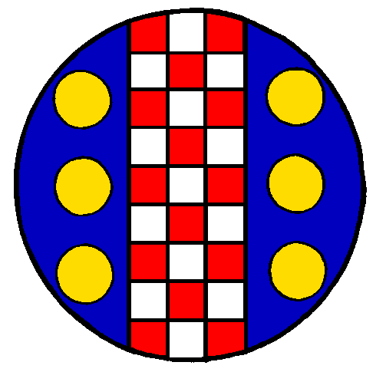

 | Kingdom of Merides

 | Non-Member Registration Report

SCA Branch:
Event Name:
Event Date: |  |  |  | Report Date:

 | Total Number Adult Member Attendees
 | Total Number Adult Non-Member Attendees
 | Total Number Child Reduced Attendees
 | Total Number Child Free Attendees

 |  | Total NMR Amount | $-
 |  | NMR Check#
 |  | Date Sent

Sender's Name:
Sender's Address:
City: |  |  | State: |  | Zip Code:
Telephone:
SCA Name:

1. The amount transferred to Kingdom will be the number of non-members in attendance times $5.00 (five dollars).
2. The transfer must be sent no later than 10 days after the last day of the event.
3. Please make the check payable to “SCA Kingdom of Meridies”.
4. This form will act as the “Transfer to Another SCA Account Form”.
5. The transaction should be recorded as a transfer out, within-Kingdom.
6. The Kingdom Exchequer will forward all funds to the Corporate Office.

Copy: Kingdom NMR Deputy
Exchequer file
Revised: June 2017

